Pricing
FRA Pricing |  |  |  | Martingale Process
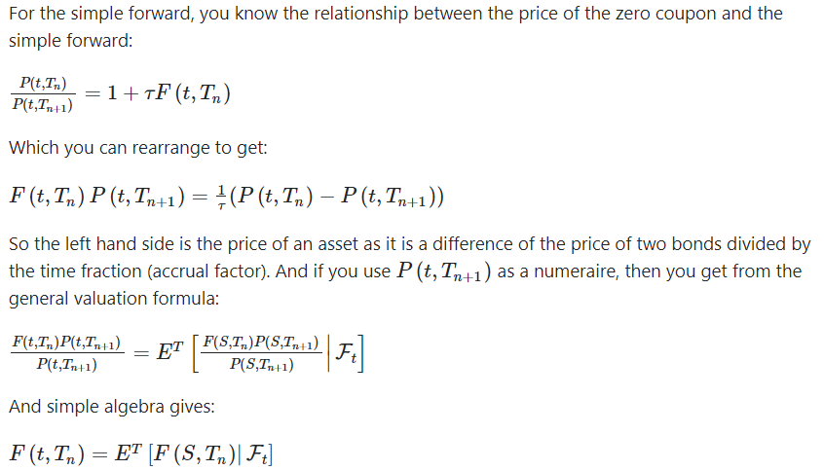

PV |  | Settlement Amount
Pay/Rec | -1 | Pay/Rec | -1
N | 10,000,000 | N | 10,000,000
r | 0.655% | r | 0.655%
f | 0.705% | f | 0.755%
t | 0.25 | t | 0.25
P(0,t) | 0.990

PV | 1,237.50 | PV | 2,500.00

Payoff
Payer FRA Payoff
Receiver FRA Payoff
Payoff Diagrams

Notional | 10,000,000
FRA Rate | 0.655%
Contract Period | 0.25
Increment | 0.100%

Reference Rate | Payer Payoff | Receiver Payoff
0.155% | -12,500 | 12,500
0.255% | -10,000 | 10,000
0.355% | -7,500 | 7,500
0.455% | -5,000 | 5,000
0.555% | -2,500 | 2,500
0.655% | 0 | 0
0.755% | 2,500 | -2,500
0.855% | 5,000 | -5,000
0.955% | 7,500 | -7,500
1.055% | 10,000 | -10,000
1.155% | 12,500 | -12,500

